H2 No Scat
 | 5.08 | cm | beam height
 | 234 | cm | beam length

Adjusted PSD axes
SynRad to MolFlow H2 translation maps
 |  | Orig |  | Step 1 |  | Step 2 |  | 0.308 final
 | 1.00E+00 | 1.43E+15 | 4.50E-02 | 1.00E+00 | 4.50E-02 | 1.00E+00 | 1.96E+00 | 1.00E+00 | 2.35E+00
 | 1.00E+20 | 1.43E+18 | 4.50E-02 | 2.00E+17 | 4.50E-02 | 2.00E+15 | 1.96E+00 | 2.00E+14 | 2.35E+00
 | 1.00E+22 | 1.43E+23 | 1.03E-03 | 2.00E+19 | 1.03E-03 | 2.00E+17 | 4.50E-02 | 2.00E+16 | 5.41E-02

 | 5.53E+17 | pho/s | no scattering beam on walls
 | 2.340 | m | length on walls

 | H2
Digitized | 1.00E+20 | pho/m | first point |  | 1.00E+21 | pho/m | second point | 1.00E+22 | pho/m | third point | 1.00E+23 | pho/m | third point | 1.00E+24 | 1.00E+25
Points | 4.23E+02 | s | time to reach point |  | 4.23E+03 | s | time to reach point | 4.23E+04 | s | time to reach point | 4.23E+05 | s | time to reach point | 4.23E+06 | 4.23E+07
 | 4.50E-02 | mol/pho | digitized load |  | 6.87E-03 | mol/pho | digitized load | 1.03E-03 | mol/pho | digitized load |  | mol/pho | digitized load
 | 1.03E-03 | mbar*L/s | predicted |  | 1.57E-04 | mbar*L/s | predicted | 2.37E-05 | mbar*L/s | predicted | 0.00E+00 | mbar*L/s | predicted
M Ady |  | mbar*L/s |  |  |  | mbar*L/s |  |  | mbar*L/s |  |  | mbar*L/s
 | 0.00E+00 | mol/s |  |  | 0.00E+00 | mol/s |  | 0.00E+00 | mol/s |  | 0.00E+00 | mol/s |  | 0.00E+00 | 0.00E+00
 | 0.00E+00 | mol/pho |  |  | 0.00E+00 | mol/pho |  | 0.00E+00 | mol/pho |  | 0.00E+00 | mol/pho |  | 0.00E+00 | 0.00E+00
 | 0.0% | agreement |  |  | 0.0% | agreement |  | 0.0% | agreement |  | #DIV/0! | agreement
Experim. | 1.01E-03 | mbar*L/s |  |  | 9.38E-04 | mbar*L/s |  | 8.14E-04 | mbar*L/s |  | 3.59E-04 | mbar*L/s
data | 2.43E+16 | mol/s |  |  | 2.26E+16 | mol/s |  | 1.97E+16 | mol/s |  | 8.68E+15 | mol/s |  | 0.00E+00 | 0.00E+00
Foerster - APS Aluminum PSD Yields
 | H2 digitized |  | H2 Experimental data |  | H2 M. Ady Conversion |  | H2 Step 1 |  | H2 Step 2
1.00E+20 | 4.50E-02 | 1.00E+20 | 4.40E-02 | 1.00E+20 | 0.00E+00 | 1.00E+20 | 0.00E+00 | 1.00E+20 | 4.50E-02
1.00E+21 | 6.87E-03 | 1.00E+21 | 4.10E-02 | 1.00E+21 | 0.00E+00 | 1.00E+21 | 0.00E+00 | 1.00E+21 | 7.05E-03
1.00E+22 | 1.03E-03 | 1.00E+22 | 3.56E-02 | 1.00E+22 | 0.00E+00 | 1.00E+22 | 1.03E-03 | 1.00E+22 | 1.07E-03
 |  | 1.00E+23 | 1.57E-02 | 1.00E+23 | 0.00E+00 | 1.00E+23 | 0.00E+00 | 1.00E+23 | 0.00E+00
 |  | 1.00E+24 |  | 1.00E+24 | 0.00E+00 | 1.00E+24 |  | 1.00E+24
 |  | 1.00E+25 |  | 1.00E+25 | 0.00E+00 | 1.00E+25 |  | 1.00E+25
Foerster - APS Aluminum PSD Yields
 | H2 digitized |  | H2 Orig MolFlow |  | H2 Try1 |  | H2 Try2 |  | H2 0.308 |  | H2 0.01 |  | H2 Experimental data
1.00E+20 | 4.50E-02 | 1.00E+20 | 0.00E+00 | 1.00E+20 | 4.40E-02 | 1.00E+20 | 0.00E+00 | 1.00E+20 | 4.50E-02 | 1.00E+20 |  | 1.00E+20
1.00E+21 | 6.87E-03 | 1.00E+21 | 0.00E+00 | 1.00E+21 | 4.10E-02 | 1.00E+21 | 0.00E+00 | 1.00E+21 | 7.05E-03 | 1.00E+21 |  | 1.00E+21
1.00E+22 | 1.03E-03 | 1.00E+22 | 0.00E+00 | 1.00E+22 | 3.56E-02 | 1.00E+22 | 1.03E-03 | 1.00E+22 | 1.07E-03 | 1.00E+22 |  | 1.00E+22
1.00E+23 |  | 1.00E+23 | 0.00E+00 | 1.00E+23 | 1.57E-02 | 1.00E+23 | 0.00E+00 | 1.00E+23 | 0.00E+00 | 1.00E+23 |  | 1.00E+23
 |  | 1.00E+24 | 0.00E+00 | 1.00E+24 | 0.00E+00 | 1.00E+24 | 0.00E+00 | 1.00E+24 | 0.00E+00 | 1.00E+24 |  | 1.00E+24
 |  | 1.00E+25 | 0.00E+00 | 1.00E+25 | 0.00E+00 | 1.00E+25 | 0.00E+00 | 1.00E+25 | 0.00E+00 | 1.00E+25 |  | 1.00E+25
 | 4.40E-02 | mol/pho |  |  | 4.10E-02 | mol/pho |  | 3.56E-02 | mol/pho |  | 1.57E-02 | mol/pho |  | 0.00E+00 | 0.00E+00
SynRad to MolFlow translation maps
 | 97.7% | agreement |  |  | 595.9% | agreement |  | 3438.3% | agreement |  | #DIV/0! | agreement
Step 1 |  | mbar*L/s |  |  |  | mbar*L/s |  | 2.36E-05 | mbar*L/s |  |  | mbar*L/s
 | 0.00E+00 | mol/s |  |  | 0.00E+00 | mol/s |  | 5.70E+14 | mol/s |  | 0.00E+00 | mol/s |  | 0.00E+00 | 0.00E+00
 | 0.00E+00 | mol/pho |  |  | 0.00E+00 | mol/pho |  | 1.03E-03 | mol/pho |  | 0.00E+00 | mol/pho |  | 0.00E+00 | 0.00E+00
 | 0.0% | agreement |  |  | 0.0% | agreement |  | 99.7% | agreement |  | #DIV/0! | agreement
Step 2 | 1.03E-03 | mbar*L/s |  |  | 1.61E-04 | mbar*L/s |  | 2.45E-05 | mbar*L/s |  |  | mbar*L/s
 | 2.49E+16 | mol/s |  |  | 3.90E+15 | mol/s |  | 5.91E+14 | mol/s |  | 0.00E+00 | mol/s |  | 0.00E+00 | 0.00E+00
 | 4.50E-02 | mol/pho |  |  | 7.05E-03 | mol/pho |  | 1.07E-03 | mol/pho |  | 0.00E+00 | mol/pho |  | 0.00E+00 | 0.00E+00
 | 100.0% | agreement |  |  | 102.5% | agreement |  | 103.3% | agreement |  | #DIV/0! | agreement

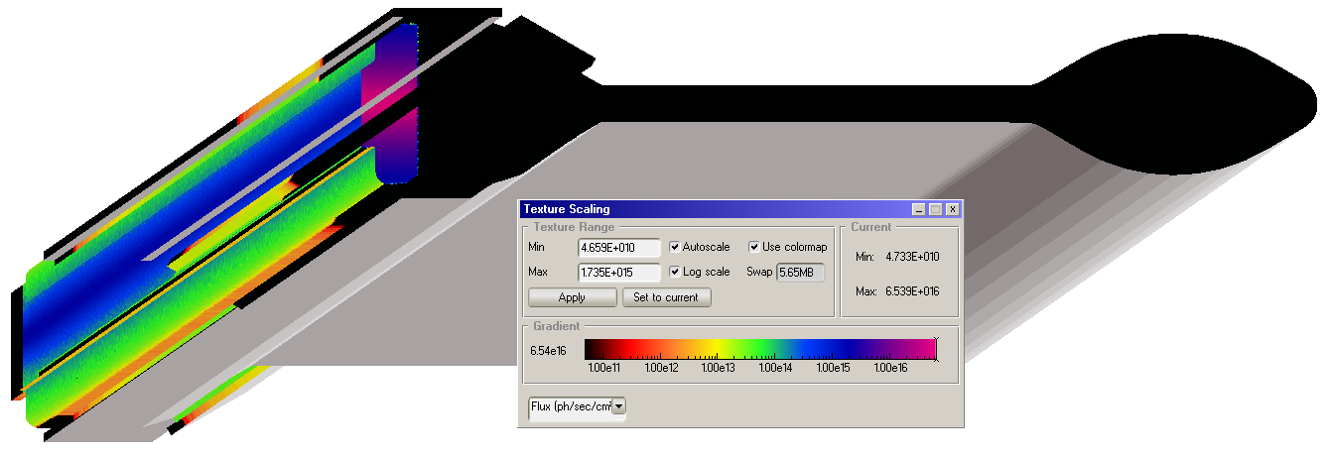

SynRad to MolFlow aluminum 'no-scattering' translation maps
 | H2 |  | CO2 |  | CO |  | CH4
1.00E+00 | 1.96E+00 | 1.00E+00 | 4.73E-01 | 1.00E+00 | 1.99E-01 | 1.00E+00 | 1.34E-02
2.00E+15 | 1.96E+00 | 2.00E+15 | 4.73E-01 | 2.00E+15 | 1.99E-01 | 2.00E+15 | 1.34E-02
2.00E+17 | 4.50E-02 | 2.00E+20 | 2.01E-05 | 2.00E+20 | 1.82E-05 | 2.00E+20 | 8.28E-07

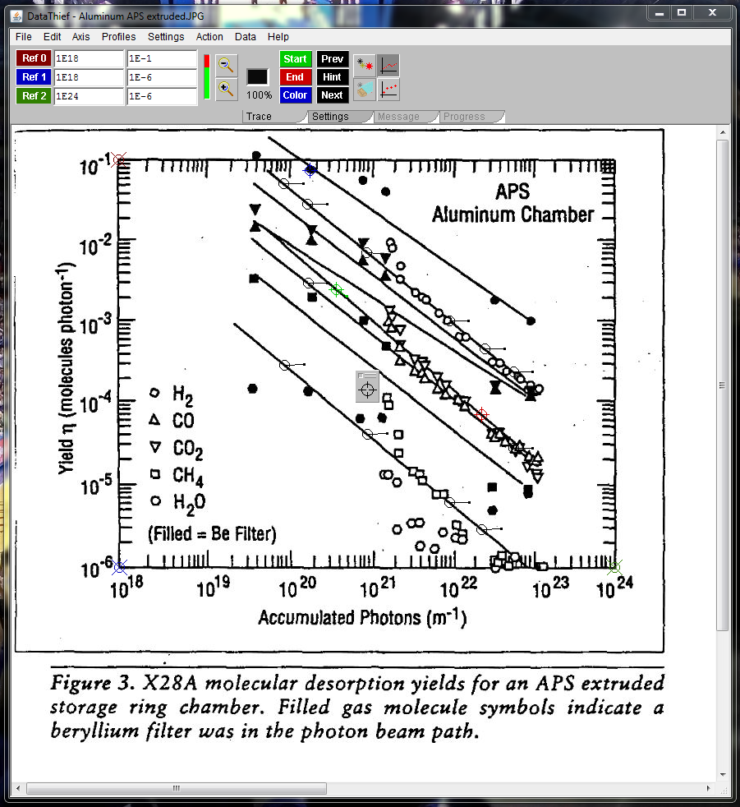
Foerster - APS Aluminum PSD Yields
 | H2 digitized | H2 Experimental data | H2 corrected
1.00E+20 | 4.50E-02 |  | 0.00E+00
1.00E+21 | 6.87E-03 |  | 0.00E+00
1.00E+22 | 1.03E-03 |  | 1.03E-03
1.00E+23 |  |  | 0.00E+00
1.00E+24 |  |  | 0.00E+00
1.00E+25 |  |  | 0.00E+00

CO2 No Scat
 | 5.08 | cm | beam height
 | 234 | cm | beam length

Adjusted PSD axes
SynRad to MolFlow translation maps
 |  | Orig |  | Step 1 |  | Step 2
 | 1.00E+00 | 1.43E+15 | 9.18E-03 | 1.00E+00 | 9.18E-03 | 1.00E+00 | 4.73E-01
 | 1.00E+20 | 1.43E+18 | 9.18E-03 | 1.82E+17 | 9.18E-03 | 2.00E+15 | 4.73E-01
 | 1.00E+25 | 1.43E+23 | 3.90E-07 | 1.82E+22 | 3.90E-07 | 2.00E+20 | 2.01E-05

 | 5.53E+17 | pho/s | no scattering beam on walls
 | 2.340 | m | length on walls

 | CO2
Digitized | 1.00E+20 | pho/m | first point |  | 1.00E+21 | pho/m | second point | 1.00E+22 | pho/m | third point | 1.00E+23 | pho/m | third point | 3.01E+23 | 1.38E+24
Points | 4.23E+02 | s | time to reach point |  | 4.23E+03 | s | time to reach point | 4.23E+04 | s | time to reach point | 4.24E+05 | s | time to reach point | 1.27E+06 | 5.86E+06
 | 8.07E-03 | mol/pho | digitized load |  | 1.14E-03 | mol/pho | digitized load | 1.56E-04 | mol/pho | digitized load |  | mol/pho | digitized load
 | 1.85E-04 | mbar*L/s | predicted |  | 2.60E-05 | mbar*L/s | predicted | 3.58E-06 | mbar*L/s | predicted | 0.00E+00 | mbar*L/s | predicted
M Ady |  | mbar*L/s |  |  |  | mbar*L/s |  |  | mbar*L/s |  |  | mbar*L/s
 | 0.00E+00 | mol/s |  |  | 0.00E+00 | mol/s |  | 0.00E+00 | mol/s |  | 0.00E+00 | mol/s |  | 0.00E+00 | 0.00E+00
 | 0.00E+00 | mol/pho |  |  | 0.00E+00 | mol/pho |  | 0.00E+00 | mol/pho |  | 0.00E+00 | mol/pho |  | 0.00E+00 | 0.00E+00
 | 0.0% | agreement |  |  | 0.0% | agreement |  | 0.0% | agreement |  | #DIV/0! | agreement
Step 1 |  | mbar*L/s |  |  |  | mbar*L/s |  |  | mbar*L/s |  |  | mbar*L/s
Foerster - APS Aluminum PSD Yields
 | CO2 digitized | CO2 experimental data | CO2 M ady | CO2 Step 1 | CO2 Step 2
1.00E+20 | 8.07E-03 | 0.00E+00 | 0.00E+00 | 0.00E+00 | 0.00E+00
1.00E+21 | 1.14E-03 | 0.00E+00 | 0.00E+00 | 0.00E+00 | 0.00E+00
1.00E+22 | 1.56E-04 | 0.00E+00 | 0.00E+00 | 0.00E+00 | 0.00E+00
1.00E+23 |  | 0.00E+00 | 0.00E+00 | 0.00E+00 | 0.00E+00
3.01E+23 |  | 0.00E+00 | 0.00E+00 | 0.00E+00 | 0.00E+00
1.38E+24 |  | 0.00E+00 | 0.00E+00 | 0.00E+00 | 0.00E+00
 | 0.00E+00 | mol/s |  |  | 0.00E+00 | mol/s |  | 0.00E+00 | mol/s |  | 0.00E+00 | mol/s |  | 0.00E+00 | 0.00E+00
Foerster - APS Aluminum PSD Yields
 | CO2 digitized |  | CO2 M Ady |  | CO2 Step 1 |  | CO2 Step 2 |  | CO2 Experimental Data
1.00E+20 | 8.07E-03 | 1.00E+20 | 0.00E+00 | 1.00E+20 | 0.00E+00 | 1.00E+20 | 0.00E+00 | 1.00E+20 | 0.00E+00
1.00E+21 | 1.14E-03 | 1.00E+21 | 0.00E+00 | 1.00E+21 | 0.00E+00 | 1.00E+21 | 0.00E+00 | 1.00E+21 | 0.00E+00
1.00E+22 | 1.56E-04 | 1.00E+22 | 0.00E+00 | 1.00E+22 | 0.00E+00 | 1.00E+22 | 0.00E+00 | 1.00E+22 | 0.00E+00
1.00E+23 |  | 1.00E+23 | 0.00E+00 | 1.00E+23 | 0.00E+00 | 1.00E+23 | 0.00E+00 | 1.00E+23 | 0.00E+00
 |  | 3.01E+23 | 0.00E+00 | 3.01E+23 | 0.00E+00 | 3.01E+23 | 0.00E+00 | 3.01E+23 | 0.00E+00
 |  | 1.38E+24 | 0.00E+00 | 1.38E+24 | 0.00E+00 | 1.38E+24 | 0.00E+00 | 1.38E+24 | 0.00E+00
 | 0.00E+00 | mol/pho |  |  | 0.00E+00 | mol/pho |  | 0.00E+00 | mol/pho |  | 0.00E+00 | mol/pho |  | 0.00E+00 | 0.00E+00
 | 0.0% | agreement |  |  | 0.0% | agreement |  | 0.0% | agreement |  | #DIV/0! | agreement
Step 2 |  | mbar*L/s |  |  |  | mbar*L/s |  |  | mbar*L/s |  |  | mbar*L/s
 | 0.00E+00 | mol/s |  |  | 0.00E+00 | mol/s |  | 0.00E+00 | mol/s |  | 0.00E+00 | mol/s |  | 0.00E+00 | 0.00E+00
 | 0.00E+00 | mol/pho |  |  | 0.00E+00 | mol/pho |  | 0.00E+00 | mol/pho |  | 0.00E+00 | mol/pho |  | 0.00E+00 | 0.00E+00
 | 0.0% | agreement |  |  | 0.0% | agreement |  | 0.0% | agreement |  | #DIV/0! | agreement
Experim. |  | mbar*L/s |  |  |  | mbar*L/s |  |  | mbar*L/s |  |  | mbar*L/s
Data | 0.00E+00 | mol/s |  |  | 0.00E+00 | mol/s |  | 0.00E+00 | mol/s |  | 0.00E+00 | mol/s |  | 0.00E+00 | 0.00E+00
 | 0.00E+00 | mol/pho |  |  | 0.00E+00 | mol/pho |  | 0.00E+00 | mol/pho |  | 0.00E+00 | mol/pho |  | 0.00E+00 | 0.00E+00
 | 0.0% | agreement |  |  | 0.0% | agreement |  | 0.0% | agreement |  | #DIV/0! | agreement

CO No Scat
 | 5.08 | cm | beam height
 | 234 | cm | beam length

Adjusted PSD axes
SynRad to MolFlow translation maps
 |  | Orig |  | Step 1 |  | Step 2
 | 1.00E+00 | 1.43E+15 | 5.20E-03 | 1.00E+00 | 5.20E-03 | 1.00E+00 | 1.99E-01
 | 1.00E+20 | 1.43E+18 | 5.20E-03 | 1.82E+17 | 5.20E-03 | 2.00E+15 | 1.99E-01
 | 1.00E+25 | 1.43E+23 | 4.75E-07 | 1.82E+22 | 4.75E-07 | 2.00E+20 | 1.82E-05

 | 5.53E+17 | pho/s | no scattering beam on walls
 | 2.340 | m | length on walls

 | CO
Digitized | 1.00E+20 | pho/m | first point |  | 1.00E+21 | pho/m | second point | 1.00E+22 | pho/m | third point | 1.00E+23 | pho/m | third point | 3.00E+23 | 1.38E+24
Points | 4.23E+02 | s | time to reach point |  | 4.23E+03 | s | time to reach point | 4.23E+04 | s | time to reach point | 4.23E+05 | s | time to reach point | 1.27E+06 | 5.86E+06
 | 4.73E-03 | mol/pho | digitized load |  | 7.57E-04 | mol/pho | digitized load | 1.21E-04 | mol/pho | digitized load |  | mol/pho | digitized load
 | 1.08E-04 | mbar*L/s | predicted |  | 1.73E-05 | mbar*L/s | predicted | 2.77E-06 | mbar*L/s | predicted | 0.00E+00 | mbar*L/s | predicted
M Ady |  | mbar*L/s |  |  |  | mbar*L/s |  |  | mbar*L/s |  |  | mbar*L/s
 | 0.00E+00 | mol/s |  |  | 0.00E+00 | mol/s |  | 0.00E+00 | mol/s |  | 0.00E+00 | mol/s |  | 0.00E+00 | 0.00E+00
 | 0.00E+00 | mol/pho |  |  | 0.00E+00 | mol/pho |  | 0.00E+00 | mol/pho |  | 0.00E+00 | mol/pho |  | 0.00E+00 | 0.00E+00
 | 0.0% | agreement |  |  | 0.0% | agreement |  | 0.0% | agreement |  | #DIV/0! | agreement
Step 1 |  | mbar*L/s |  |  |  | mbar*L/s |  |  | mbar*L/s |  |  | mbar*L/s
Foerster - APS Aluminum PSD Yields
 | CO digitized | CO experimental data | CO M ady | CO Step 1 | CO Step 2
1.00E+20 | 4.73E-03 | 0.00E+00 | 0.00E+00 | 0.00E+00 | 0.00E+00
1.00E+21 | 7.57E-04 | 0.00E+00 | 0.00E+00 | 0.00E+00 | 0.00E+00
1.00E+22 | 1.21E-04 | 0.00E+00 | 0.00E+00 | 0.00E+00 | 0.00E+00
1.00E+23 |  | 0.00E+00 | 0.00E+00 | 0.00E+00 | 0.00E+00
3.00E+23 |  | 0.00E+00 | 0.00E+00 | 0.00E+00 | 0.00E+00
1.38E+24 |  | 0.00E+00 | 0.00E+00 | 0.00E+00 | 0.00E+00
 | 0.00E+00 | mol/s |  |  | 0.00E+00 | mol/s |  | 0.00E+00 | mol/s |  | 0.00E+00 | mol/s |  | 0.00E+00 | 0.00E+00
Foerster - APS Aluminum PSD Yields
 | CO digitized |  | CO M Ady |  | CO Step 1 |  | CO Step 2 |  | CO Experimental Data
1.00E+20 | 4.73E-03 | 1.00E+20 | 0.00E+00 | 1.00E+20 | 0.00E+00 | 1.00E+20 | 0.00E+00 | 1.00E+20 | 0.00E+00
1.00E+21 | 7.57E-04 | 1.00E+21 | 0.00E+00 | 1.00E+21 | 0.00E+00 | 1.00E+21 | 0.00E+00 | 1.00E+21 | 0.00E+00
1.00E+22 | 1.21E-04 | 1.00E+22 | 0.00E+00 | 1.00E+22 | 0.00E+00 | 1.00E+22 | 0.00E+00 | 1.00E+22 | 0.00E+00
1.00E+23 |  | 1.00E+23 | 0.00E+00 | 1.00E+23 | 0.00E+00 | 1.00E+23 | 0.00E+00 | 1.00E+23 | 0.00E+00
 |  | 3.00E+23 | 0.00E+00 | 3.00E+23 | 0.00E+00 | 3.00E+23 | 0.00E+00 | 3.00E+23 | 0.00E+00
 |  | 1.38E+24 | 0.00E+00 | 1.38E+24 | 0.00E+00 | 1.38E+24 | 0.00E+00 | 1.38E+24 | 0.00E+00
 | 0.00E+00 | mol/pho |  |  | 0.00E+00 | mol/pho |  | 0.00E+00 | mol/pho |  | 0.00E+00 | mol/pho |  | 0.00E+00 | 0.00E+00
 | 0.0% | agreement |  |  | 0.0% | agreement |  | 0.0% | agreement |  | #DIV/0! | agreement
Step 2 |  | mbar*L/s |  |  |  | mbar*L/s |  |  | mbar*L/s |  |  | mbar*L/s
 | 0.00E+00 | mol/s |  |  | 0.00E+00 | mol/s |  | 0.00E+00 | mol/s |  | 0.00E+00 | mol/s |  | 0.00E+00 | 0.00E+00
 | 0.00E+00 | mol/pho |  |  | 0.00E+00 | mol/pho |  | 0.00E+00 | mol/pho |  | 0.00E+00 | mol/pho |  | 0.00E+00 | 0.00E+00
 | 0.0% | agreement |  |  | 0.0% | agreement |  | 0.0% | agreement |  | #DIV/0! | agreement
Experim. |  | mbar*L/s |  |  |  | mbar*L/s |  |  | mbar*L/s |  |  | mbar*L/s
Data | 0.00E+00 | mol/s |  |  | 0.00E+00 | mol/s |  | 0.00E+00 | mol/s |  | 0.00E+00 | mol/s |  | 0.00E+00 | 0.00E+00
 | 0.00E+00 | mol/pho |  |  | 0.00E+00 | mol/pho |  | 0.00E+00 | mol/pho |  | 0.00E+00 | mol/pho |  | 0.00E+00 | 0.00E+00
 | 0.0% | agreement |  |  | 0.0% | agreement |  | 0.0% | agreement |  | #DIV/0! | agreement

CH4 No Scat
 | 5.08 | cm | beam height
 | 234 | cm | beam length

Adjusted PSD axes
SynRad to MolFlow translation maps
 |  | Orig |  | Step 1 |  | Step 2
 | 1.00E+00 | 1.43E+15 | 3.01E-04 | 1.00E+00 | 3.01E-04 | 1.00E+00 | 1.34E-02
 | 1.00E+20 | 1.43E+18 | 3.01E-04 | 1.82E+17 | 3.01E-04 | 2.00E+15 | 1.34E-02
 | 1.00E+25 | 1.43E+23 | 1.86E-08 | 1.82E+22 | 1.86E-08 | 2.00E+20 | 8.28E-07

 | 5.53E+17 | pho/s | no scattering beam on walls
 | 2.340 | m | length on walls

 | CO
Digitized | 1.00E+20 | pho/m | first point |  | 1.00E+21 | pho/m | second point | 1.00E+22 | pho/m | third point | 1.00E+23 | pho/m | third point | 1.00E+23 | 1.38E+24
Points | 4.23E+02 | s | time to reach point |  | 4.23E+03 | s | time to reach point | 4.23E+04 | s | time to reach point | 4.23E+05 | s | time to reach point | 4.23E+05 | 5.85E+06
 | 2.75E-04 | mol/pho | digitized load |  | 3.96E-05 | mol/pho | digitized load | 5.78E-06 | mol/pho | digitized load |  | mol/pho | digitized load
 | 6.30E-06 | mbar*L/s | predicted |  | 9.08E-07 | mbar*L/s | predicted | 1.32E-07 | mbar*L/s | predicted | 0.00E+00 | mbar*L/s | predicted
M Ady |  | mbar*L/s |  |  |  | mbar*L/s |  |  | mbar*L/s |  |  | mbar*L/s
 | 0.00E+00 | mol/s |  |  | 0.00E+00 | mol/s |  | 0.00E+00 | mol/s |  | 0.00E+00 | mol/s |  | 0.00E+00 | 0.00E+00
 | 0.00E+00 | mol/pho |  |  | 0.00E+00 | mol/pho |  | 0.00E+00 | mol/pho |  | 0.00E+00 | mol/pho |  | 0.00E+00 | 0.00E+00
 | 0.0% | agreement |  |  | 0.0% | agreement |  | 0.0% | agreement |  | #DIV/0! | agreement
Step 1 |  | mbar*L/s |  |  |  | mbar*L/s |  |  | mbar*L/s |  |  | mbar*L/s
Foerster - APS Aluminum PSD Yields
 | CO digitized | CO experimental data | CO M ady | CO Step 1 | CO Step 2
1.00E+20 | 2.75E-04 | 0.00E+00 | 0.00E+00 | 0.00E+00 | 0.00E+00
1.00E+21 | 3.96E-05 | 0.00E+00 | 0.00E+00 | 0.00E+00 | 0.00E+00
1.00E+22 | 5.78E-06 | 0.00E+00 | 0.00E+00 | 0.00E+00 | 0.00E+00
1.00E+23 |  | 0.00E+00 | 0.00E+00 | 0.00E+00 | 0.00E+00
1.00E+23 |  | 0.00E+00 | 0.00E+00 | 0.00E+00 | 0.00E+00
1.38E+24 |  | 0.00E+00 | 0.00E+00 | 0.00E+00 | 0.00E+00
 | 0.00E+00 | mol/s |  |  | 0.00E+00 | mol/s |  | 0.00E+00 | mol/s |  | 0.00E+00 | mol/s |  | 0.00E+00 | 0.00E+00
Foerster - APS Aluminum PSD Yields
 | CO digitized |  | CO M Ady |  | CO Step 1 |  | CO Step 2 |  | CO Experimental Data
1.00E+20 | 2.75E-04 | 1.00E+20 | 0.00E+00 | 1.00E+20 | 0.00E+00 | 1.00E+20 | 0.00E+00 | 1.00E+20 | 0.00E+00
1.00E+21 | 3.96E-05 | 1.00E+21 | 0.00E+00 | 1.00E+21 | 0.00E+00 | 1.00E+21 | 0.00E+00 | 1.00E+21 | 0.00E+00
1.00E+22 | 5.78E-06 | 1.00E+22 | 0.00E+00 | 1.00E+22 | 0.00E+00 | 1.00E+22 | 0.00E+00 | 1.00E+22 | 0.00E+00
1.00E+23 |  | 1.00E+23 | 0.00E+00 | 1.00E+23 | 0.00E+00 | 1.00E+23 | 0.00E+00 | 1.00E+23 | 0.00E+00
 |  | 1.00E+23 | 0.00E+00 | 1.00E+23 | 0.00E+00 | 1.00E+23 | 0.00E+00 | 1.00E+23 | 0.00E+00
 |  | 1.38E+24 | 0.00E+00 | 1.38E+24 | 0.00E+00 | 1.38E+24 | 0.00E+00 | 1.38E+24 | 0.00E+00
 | 0.00E+00 | mol/pho |  |  | 0.00E+00 | mol/pho |  | 0.00E+00 | mol/pho |  | 0.00E+00 | mol/pho |  | 0.00E+00 | 0.00E+00
 | 0.0% | agreement |  |  | 0.0% | agreement |  | 0.0% | agreement |  | #DIV/0! | agreement
Step 2 |  | mbar*L/s |  |  |  | mbar*L/s |  |  | mbar*L/s |  |  | mbar*L/s
 | 0.00E+00 | mol/s |  |  | 0.00E+00 | mol/s |  | 0.00E+00 | mol/s |  | 0.00E+00 | mol/s |  | 0.00E+00 | 0.00E+00
 | 0.00E+00 | mol/pho |  |  | 0.00E+00 | mol/pho |  | 0.00E+00 | mol/pho |  | 0.00E+00 | mol/pho |  | 0.00E+00 | 0.00E+00
 | 0.0% | agreement |  |  | 0.0% | agreement |  | 0.0% | agreement |  | #DIV/0! | agreement
Experim. |  | mbar*L/s |  |  |  | mbar*L/s |  |  | mbar*L/s |  |  | mbar*L/s
Data | 0.00E+00 | mol/s |  |  | 0.00E+00 | mol/s |  | 0.00E+00 | mol/s |  | 0.00E+00 | mol/s |  | 0.00E+00 | 0.00E+00
 | 0.00E+00 | mol/pho |  |  | 0.00E+00 | mol/pho |  | 0.00E+00 | mol/pho |  | 0.00E+00 | mol/pho |  | 0.00E+00 | 0.00E+00
 | 0.0% | agreement |  |  | 0.0% | agreement |  | 0.0% | agreement |  | #DIV/0! | agreement

H2 0.308
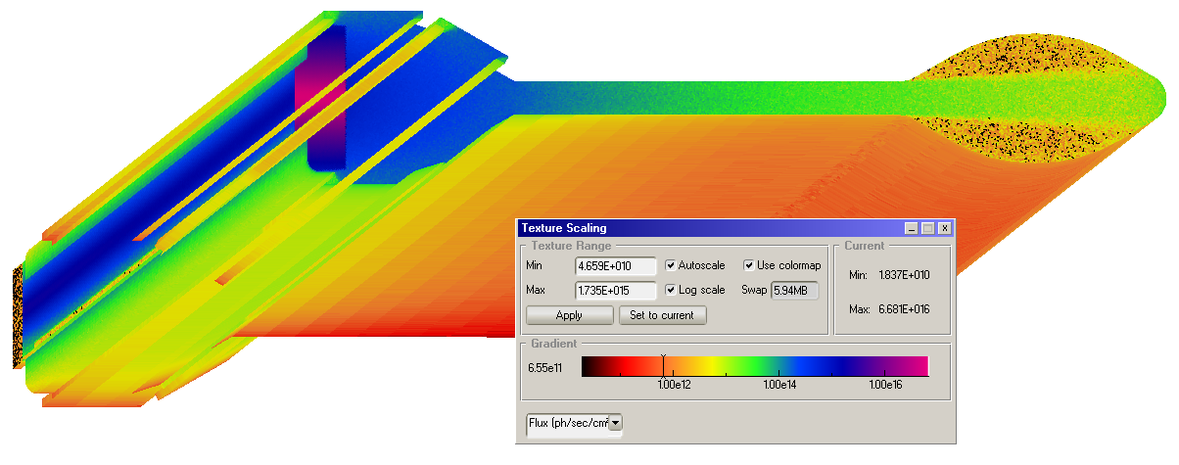
Adjusted PSD axes
 | 5.08 | cm | beam height
 | 234 | cm | beam length
 | 17690 | cm2 | Irradiated surface area
 | 4528 | cm2 | 60mm tube surface area

 |  | Orig |  | Step 1 |  | Step 2
 | 1.00E+00 | 1.43E+15 | 4.50E-02 | 1.00E+00 | 4.50E-02 | 1.00E+00 | 2.35E+00
 | 1.00E+20 | 1.43E+18 | 4.50E-02 | 2.50E+16 | 4.50E-02 | 2.00E+14 | 2.35E+00
 | 1.00E+22 | 1.43E+23 | 1.03E-03 | 2.50E+18 | 1.03E-03 | 2.00E+16 | 5.41E-02

 | 5.53E+17 | pho/s | no scattering beam on walls
 | 2.340 | m | length on walls

 | H2
Digitized | 1.00E+20 | pho/m | first point |  | 1.00E+21 | pho/m | second point | 1.00E+22 | pho/m | third point | 1.00E+23 | pho/m | third point | 1.00E+24 | 1.00E+25
Points | 4.23E+02 | s | time to reach point |  | 4.23E+03 | s | time to reach point | 4.23E+04 | s | time to reach point | 4.23E+05 | s | time to reach point | 4.23E+06 | 4.23E+07
 | 4.50E-02 | mol/pho | digitized load |  | 6.87E-03 | mol/pho | digitized load | 1.03E-03 | mol/pho | digitized load |  | mol/pho | digitized load
 | 1.03E-03 | mbar*L/s | predicted |  | 1.57E-04 | mbar*L/s | predicted | 2.37E-05 | mbar*L/s | predicted | 0.00E+00 | mbar*L/s | predicted
M. Ady |  | mbar*L/s |  |  |  | mbar*L/s | Fit MolFlow |  | mbar*L/s | Fit MolFlow |  | mbar*L/s | Fit MolFlow
 | 0.00E+00 | mol/s |  |  | 0.00E+00 | mol/s |  | 0.00E+00 | mol/s |  | 0.00E+00 | mol/s |  | 0.00E+00 | 0.00E+00
 | 0.00E+00 | mol/pho |  |  | 0.00E+00 | mol/pho |  | 0.00E+00 | mol/pho |  | 0.00E+00 | mol/pho |  | 0.00E+00 | 0.00E+00
 | 0.0% | agreement |  |  | 0.0% | agreement |  | 0.0% | agreement |  | #DIV/0! | agreement
Experim | 1.00E-03 | mbar*L/s |  |  | 9.35E-04 | mbar*L/s |  | 8.13E-04 | mbar*L/s |  | 4.14E-04 | mbar*L/s
data | 2.43E+16 | mol/s |  |  | 2.26E+16 | mol/s |  | 1.96E+16 | mol/s |  | 9.99E+15 | mol/s |  | 0.00E+00 | 0.00E+00
 | 4.39E-02 | mol/pho |  |  | 4.08E-02 | mol/pho |  | 3.55E-02 | mol/pho |  | 1.81E-02 | mol/pho |  | 0.00E+00 | 0.00E+00
 | 97.5% | agreement |  |  | 594.2% | agreement |  | 3434.6% | agreement |  | #DIV/0! | agreement
Step 1 | 2.37E-04 | mbar*L/s |  |  | 1.03E-04 | mbar*L/s |  | 2.43E-05 | mbar*L/s |  |  | mbar*L/s
 | 5.72E+15 | mol/s |  |  | 2.49E+15 | mol/s |  | 5.86E+14 | mol/s |  | 0.00E+00 | mol/s |  | 0.00E+00 | 0.00E+00
 | 1.03E-02 | mol/pho |  |  | 4.50E-03 | mol/pho |  | 1.06E-03 | mol/pho |  | 0.00E+00 | mol/pho |  | 0.00E+00 | 0.00E+00
Foerster - APS Aluminum PSD Yields
 | H2 digitized |  | Experimental data |  | Step 1 |  | Step 2
1.00E+20 | 4.50E-02 | 1.00E+20 | 4.39E-02 | 1.00E+20 | 1.03E-02 | 1.00E+20 | 4.70E-02
1.00E+21 | 6.87E-03 | 1.00E+21 | 4.08E-02 | 1.00E+21 | 4.50E-03 | 1.00E+21 | 7.34E-03
1.00E+22 | 1.03E-03 | 1.00E+22 | 3.55E-02 | 1.00E+22 | 1.06E-03 | 1.00E+22 | 1.11E-03
1.00E+23 |  | 1.00E+23 | 1.81E-02 | 1.00E+23 | 0.00E+00 | 1.00E+23 | 0.00E+00
 |  | 1.00E+24 | 0.00E+00
 |  | 1.00E+25 | 0.00E+00
Foerster - APS Aluminum PSD Yields
 | H2 digitized |  | H2 Orig MolFlow |  | H2 Try1 |  | H2 Try2 |  | H2 No Scat
1.00E+20 | 4.50E-02 | 1.00E+20 | 4.39E-02 | 1.00E+20 | 0.00E+00 | 1.00E+20 | 1.03E-02 | 1.00E+20
1.00E+21 | 6.87E-03 | 1.00E+21 | 4.08E-02 | 1.00E+21 | 0.00E+00 | 1.00E+21 | 4.50E-03 | 1.00E+21
1.00E+22 | 1.03E-03 | 1.00E+22 | 3.55E-02 | 1.00E+22 | 0.00E+00 | 1.00E+22 | 1.06E-03 | 1.00E+22
1.00E+23 |  | 1.00E+23 | 1.81E-02 | 1.00E+23 | 0.00E+00 | 1.00E+23 | 0.00E+00 | 1.00E+23
 |  | 1.00E+24 | 0.00E+00 | 1.00E+24 | 0.00E+00 | 1.00E+24 | 0.00E+00 | 1.00E+24
 |  | 1.00E+25 | 0.00E+00 | 1.00E+25 | 0.00E+00 | 1.00E+25 | 0.00E+00 | 1.00E+25
 | 23.0% | agreement |  |  | 65.5% | agreement |  | 102.4% | agreement |  | #DIV/0! | agreement
Step 2 | 1.08E-03 | mbar*L/s |  |  | 1.68E-04 | mbar*L/s |  | 2.55E-05 | mbar*L/s |  |  | mbar*L/s
 | 2.60E+16 | mol/s |  |  | 4.06E+15 | mol/s |  | 6.16E+14 | mol/s |  | 0.00E+00 | mol/s |  | 0.00E+00 | 0.00E+00
 | 4.70E-02 | mol/pho |  |  | 7.34E-03 | mol/pho |  | 1.11E-03 | mol/pho |  | 0.00E+00 | mol/pho |  | 0.00E+00 | 0.00E+00
 | 104.5% | agreement |  |  | 106.8% | agreement |  | 107.7% | agreement |  | #DIV/0! | agreement

CO2 0.308
 | 5.08 | cm | beam height
 | 234 | cm | beam length

Adjusted PSD axes
SynRad to MolFlow translation maps
 |  | Orig |  | Step 1 |  | Step 2
 | 1.00E+00 | 1.43E+15 | 8.07E-03 | 1.00E+00 | 8.07E-03 | 1.00E+00 | 3.69E-01
 | 1.00E+20 | 1.43E+18 | 8.07E-03 | 2.17E+16 | 8.07E-03 | 2.50E+14 | 3.69E-01
 | 1.00E+22 | 1.43E+23 | 1.56E-04 | 2.17E+18 | 1.56E-04 | 2.50E+16 | 7.16E-03

 | 5.53E+17 | pho/s | no scattering beam on walls
 | 2.340 | m | length on walls

 | CO2
Digitized | 1.00E+20 | pho/m | first point |  | 1.00E+21 | pho/m | second point | 1.00E+22 | pho/m | third point | 1.00E+23 | pho/m | third point | 3.00E+23 | 1.38E+24
Points | 4.23E+02 | s | time to reach point |  | 4.23E+03 | s | time to reach point | 4.23E+04 | s | time to reach point | 4.23E+05 | s | time to reach point | 1.27E+06 | 5.86E+06
 | 8.07E-03 | mol/pho | digitized load |  | 1.14E-03 | mol/pho | digitized load | 1.56E-04 | mol/pho | digitized load |  | mol/pho | digitized load
 | 1.85E-04 | mbar*L/s | predicted |  | 2.60E-05 | mbar*L/s | predicted | 3.58E-06 | mbar*L/s | predicted | 0.00E+00 | mbar*L/s | predicted
M Ady |  | mbar*L/s |  |  |  | mbar*L/s |  |  | mbar*L/s |  |  | mbar*L/s
 | 0.00E+00 | mol/s |  |  | 0.00E+00 | mol/s |  | 0.00E+00 | mol/s |  | 0.00E+00 | mol/s |  | 0.00E+00 | 0.00E+00
 | 0.00E+00 | mol/pho |  |  | 0.00E+00 | mol/pho |  | 0.00E+00 | mol/pho |  | 0.00E+00 | mol/pho |  | 0.00E+00 | 0.00E+00
 | 0.0% | agreement |  |  | 0.0% | agreement |  | 0.0% | agreement |  | #DIV/0! | agreement
Step 1 |  | mbar*L/s |  |  |  | mbar*L/s |  |  | mbar*L/s |  |  | mbar*L/s
Foerster - APS Aluminum PSD Yields
 | CO2 digitized | CO2 experimental data | CO2 M ady | CO2 Step 1 | CO2 Step 2
1.00E+20 | 8.07E-03 | 8.07E-03 | 0.00E+00 | 0.00E+00 | 0.00E+00
1.00E+21 | 1.14E-03 | 1.19E-03 | 0.00E+00 | 0.00E+00 | 0.00E+00
1.00E+22 | 1.56E-04 | 1.65E-04 | 0.00E+00 | 0.00E+00 | 1.58E-04
1.00E+23 |  | 0.00E+00 | 0.00E+00 | 0.00E+00 | 0.00E+00
3.00E+23 |  | 0.00E+00 | 0.00E+00 | 0.00E+00 | 0.00E+00
1.38E+24 |  | 0.00E+00 | 0.00E+00 | 0.00E+00 | 0.00E+00
 | 0.00E+00 | mol/s |  |  | 0.00E+00 | mol/s |  | 0.00E+00 | mol/s |  | 0.00E+00 | mol/s |  | 0.00E+00 | 0.00E+00
Foerster - APS Aluminum PSD Yields
 | CO2 digitized |  | CO2 M Ady |  | CO2 Step 1 |  | CO2 Step 2 |  | CO2 Experimental Data
1.00E+20 | 8.07E-03 | 1.00E+20 | 0.00E+00 | 1.00E+20 | 0.00E+00 | 1.00E+20 | 0.00E+00 | 1.00E+20 | 8.07E-03
1.00E+21 | 1.14E-03 | 1.00E+21 | 0.00E+00 | 1.00E+21 | 0.00E+00 | 1.00E+21 | 0.00E+00 | 1.00E+21 | 1.19E-03
1.00E+22 | 1.56E-04 | 1.00E+22 | 0.00E+00 | 1.00E+22 | 0.00E+00 | 1.00E+22 | 1.58E-04 | 1.00E+22 | 1.65E-04
1.00E+23 |  | 1.00E+23 | 0.00E+00 | 1.00E+23 | 0.00E+00 | 1.00E+23 | 0.00E+00 | 1.00E+23 | 0.00E+00
 |  | 3.00E+23 | 0.00E+00 | 3.00E+23 | 0.00E+00 | 3.00E+23 | 0.00E+00 | 3.00E+23 | 0.00E+00
 |  | 1.38E+24 | 0.00E+00 | 1.38E+24 | 0.00E+00 | 1.38E+24 | 0.00E+00 | 1.38E+24 | 0.00E+00
 | 0.00E+00 | mol/pho |  |  | 0.00E+00 | mol/pho |  | 0.00E+00 | mol/pho |  | 0.00E+00 | mol/pho |  | 0.00E+00 | 0.00E+00
 | 0.0% | agreement |  |  | 0.0% | agreement |  | 0.0% | agreement |  | #DIV/0! | agreement
Step 2 |  | mbar*L/s |  |  |  | mbar*L/s |  | 3.62E-06 | mbar*L/s |  |  | mbar*L/s
 | 0.00E+00 | mol/s |  |  | 0.00E+00 | mol/s |  | 8.75E+13 | mol/s |  | 0.00E+00 | mol/s |  | 0.00E+00 | 0.00E+00
 | 0.00E+00 | mol/pho |  |  | 0.00E+00 | mol/pho |  | 1.58E-04 | mol/pho |  | 0.00E+00 | mol/pho |  | 0.00E+00 | 0.00E+00
 | 0.0% | agreement |  |  | 0.0% | agreement |  | 101.2% | agreement |  | #DIV/0! | agreement
Experim. | 1.85E-04 | mbar*L/s |  |  | 2.71E-05 | mbar*L/s |  | 3.78E-06 | mbar*L/s |  |  | mbar*L/s
Data | 4.46E+15 | mol/s |  |  | 6.55E+14 | mol/s |  | 9.13E+13 | mol/s |  | 0.00E+00 | mol/s |  | 0.00E+00 | 0.00E+00
 | 8.07E-03 | mol/pho |  |  | 1.19E-03 | mol/pho |  | 1.65E-04 | mol/pho |  | 0.00E+00 | mol/pho |  | 0.00E+00 | 0.00E+00
 | 100.1% | agreement |  |  | 104.3% | agreement |  | 105.6% | agreement |  | #DIV/0! | agreement

CO 0.308
 | 5.08 | cm | beam height
 | 234 | cm | beam length

Adjusted PSD axes
SynRad to MolFlow translation maps
 |  | Orig |  | Step 1 |  | Step 2
 | 1.00E+00 | 1.43E+15 | 4.73E-03 | 1.00E+00 | 4.73E-03 | 1.00E+00 | 2.21E-01
 | 1.00E+20 | 1.43E+18 | 4.73E-03 | 2.50E+16 | 4.73E-03 | 2.00E+14 | 2.21E-01
 | 1.00E+22 | 1.43E+23 | 1.21E-04 | 2.50E+18 | 1.21E-04 | 2.00E+16 | 5.65E-03

 | 5.53E+17 | pho/s | no scattering beam on walls
 | 2.340 | m | length on walls

 | CO
Digitized | 1.00E+20 | pho/m | first point |  | 1.00E+21 | pho/m | second point | 1.00E+22 | pho/m | third point | 1.00E+23 | pho/m | third point | 3.00E+23 | 1.38E+24
Points | 4.23E+02 | s | time to reach point |  | 1.00E+00 | s | time to reach point | 4.23E+04 | s | time to reach point | 4.23E+05 | s | time to reach point | 1.27E+06 | 5.86E+06
 | 4.73E-03 | mol/pho | digitized load |  | 7.57E-04 | mol/pho | digitized load | 1.21E-04 | mol/pho | digitized load |  | mol/pho | digitized load
 | 1.08E-04 | mbar*L/s | predicted |  | 1.73E-05 | mbar*L/s | predicted | 2.77E-06 | mbar*L/s | predicted | 0.00E+00 | mbar*L/s | predicted
M Ady |  | mbar*L/s |  |  |  | mbar*L/s |  | 1.34E-05 | mbar*L/s |  |  | mbar*L/s
 | 0.00E+00 | mol/s |  |  | 0.00E+00 | mol/s |  | 3.23E+14 | mol/s |  | 0.00E+00 | mol/s |  | 0.00E+00 | 0.00E+00
 | 0.00E+00 | mol/pho |  |  | 0.00E+00 | mol/pho |  | 5.85E-04 | mol/pho |  | 0.00E+00 | mol/pho |  | 0.00E+00 | 0.00E+00
 | 0.0% | agreement |  |  | 0.0% | agreement |  | 482.9% | agreement |  | #DIV/0! | agreement
Step 1 |  | mbar*L/s |  |  |  | mbar*L/s |  |  | mbar*L/s |  |  | mbar*L/s
Foerster - APS Aluminum PSD Yields
 | CO digitized | CO experimental data | CO M ady | CO Step 1 | CO Step 2
1.00E+20 | 4.73E-03 | 4.66E-03 | 0.00E+00 | 0.00E+00 | 0.00E+00
1.00E+21 | 7.57E-04 | 7.65E-04 | 0.00E+00 | 0.00E+00 | 0.00E+00
1.00E+22 | 1.21E-04 | 1.22E-04 | 5.85E-04 | 0.00E+00 | 1.17E-04
1.00E+23 |  | 0.00E+00 | 0.00E+00 | 0.00E+00 | 0.00E+00
3.00E+23 |  | 0.00E+00 | 0.00E+00 | 0.00E+00 | 0.00E+00
1.38E+24 |  | 0.00E+00 | 0.00E+00 | 0.00E+00 | 0.00E+00
 | 0.00E+00 | mol/s |  |  | 0.00E+00 | mol/s |  | 0.00E+00 | mol/s |  | 0.00E+00 | mol/s |  | 0.00E+00 | 0.00E+00
Foerster - APS Aluminum PSD Yields
 | CO digitized |  | CO M Ady |  | CO Step 1 |  | CO Step 2 |  | CO Experimental Data
1.00E+20 | 4.73E-03 | 1.00E+20 | 0.00E+00 | 1.00E+20 | 0.00E+00 | 1.00E+20 | 0.00E+00 | 1.00E+20 | 4.66E-03
1.00E+21 | 7.57E-04 | 1.00E+21 | 0.00E+00 | 1.00E+21 | 0.00E+00 | 1.00E+21 | 0.00E+00 | 1.00E+21 | 7.65E-04
1.00E+22 | 1.21E-04 | 1.00E+22 | 5.85E-04 | 1.00E+22 | 0.00E+00 | 1.00E+22 | 1.17E-04 | 1.00E+22 | 1.22E-04
1.00E+23 |  | 1.00E+23 | 0.00E+00 | 1.00E+23 | 0.00E+00 | 1.00E+23 | 0.00E+00 | 1.00E+23 | 0.00E+00
 |  | 3.00E+23 | 0.00E+00 | 3.00E+23 | 0.00E+00 | 3.00E+23 | 0.00E+00 | 3.00E+23 | 0.00E+00
 |  | 1.38E+24 | 0.00E+00 | 1.38E+24 | 0.00E+00 | 1.38E+24 | 0.00E+00 | 1.38E+24 | 0.00E+00
 | 0.00E+00 | mol/pho |  |  | 0.00E+00 | mol/pho |  | 0.00E+00 | mol/pho |  | 0.00E+00 | mol/pho |  | 0.00E+00 | 0.00E+00
 | 0.0% | agreement |  |  | 0.0% | agreement |  | 0.0% | agreement |  | #DIV/0! | agreement
Step 2 |  | mbar*L/s |  |  |  | mbar*L/s |  | 2.68E-06 | mbar*L/s |  |  | mbar*L/s
 | 0.00E+00 | mol/s |  |  | 0.00E+00 | mol/s |  | 6.48E+13 | mol/s |  | 0.00E+00 | mol/s |  | 0.00E+00 | 0.00E+00
 | 0.00E+00 | mol/pho |  |  | 0.00E+00 | mol/pho |  | 1.17E-04 | mol/pho |  | 0.00E+00 | mol/pho |  | 0.00E+00 | 0.00E+00
 | 0.0% | agreement |  |  | 0.0% | agreement |  | 96.8% | agreement |  | #DIV/0! | agreement
Experim. | 1.07E-04 | mbar*L/s |  |  | 1.75E-05 | mbar*L/s |  | 2.80E-06 | mbar*L/s |  |  | mbar*L/s
Data | 2.58E+15 | mol/s |  |  | 4.23E+14 | mol/s |  | 6.76E+13 | mol/s |  | 0.00E+00 | mol/s |  | 0.00E+00 | 0.00E+00
 | 4.66E-03 | mol/pho |  |  | 7.65E-04 | mol/pho |  | 1.22E-04 | mol/pho |  | 0.00E+00 | mol/pho |  | 0.00E+00 | 0.00E+00
 | 98.6% | agreement |  |  | 101.1% | agreement |  | 101.0% | agreement |  | #DIV/0! | agreement

CH4 0.308
 | 5.08 | cm | beam height
 | 234 | cm | beam length

Adjusted PSD axes
SynRad to MolFlow translation maps
 |  | Orig |  | Step 1 |  | Step 2
 | 1.00E+00 | 1.43E+15 | 2.75E-04 | 1.00E+00 | 2.75E-04 | 1.00E+00 | 1.43E-02
 | 1.00E+20 | 1.43E+18 | 2.75E-04 | 2.22E+16 | 2.75E-04 | 2.00E+14 | 1.43E-02
 | 1.00E+22 | 1.43E+23 | 5.78E-06 | 2.22E+18 | 5.78E-06 | 2.00E+16 | 3.01E-04

 | 5.53E+17 | pho/s | no scattering beam on walls
 | 2.340 | m | length on walls

 | CO
Digitized | 1.00E+20 | pho/m | first point |  | 1.00E+21 | pho/m | second point | 1.00E+22 | pho/m | third point | 1.00E+23 | pho/m | third point | 1.00E+23 | 1.38E+24
Points | 4.23E+02 | s | time to reach point |  | 4.23E+03 | s | time to reach point | 4.23E+04 | s | time to reach point | 4.23E+05 | s | time to reach point | 4.23E+05 | 5.85E+06
 | 2.75E-04 | mol/pho | digitized load |  | 3.96E-05 | mol/pho | digitized load | 5.78E-06 | mol/pho | digitized load |  | mol/pho | digitized load
 | 6.30E-06 | mbar*L/s | predicted |  | 9.08E-07 | mbar*L/s | predicted | 1.32E-07 | mbar*L/s | predicted | 0.00E+00 | mbar*L/s | predicted
M Ady |  | mbar*L/s |  |  |  | mbar*L/s |  |  | mbar*L/s |  |  | mbar*L/s
 | 0.00E+00 | mol/s |  |  | 0.00E+00 | mol/s |  | 0.00E+00 | mol/s |  | 0.00E+00 | mol/s |  | 0.00E+00 | 0.00E+00
 | 0.00E+00 | mol/pho |  |  | 0.00E+00 | mol/pho |  | 0.00E+00 | mol/pho |  | 0.00E+00 | mol/pho |  | 0.00E+00 | 0.00E+00
 | 0.0% | agreement |  |  | 0.0% | agreement |  | 0.0% | agreement |  | #DIV/0! | agreement
Step 1 |  | mbar*L/s |  |  |  | mbar*L/s |  |  | mbar*L/s |  |  | mbar*L/s
Foerster - APS Aluminum PSD Yields
 | CO digitized | CO experimental data | CO M ady | CO Step 1 | CO Step 2
1.00E+20 | 2.75E-04 | 2.74E-04 | 0.00E+00 | 0.00E+00 | 0.00E+00
1.00E+21 | 3.96E-05 | 4.10E-05 | 0.00E+00 | 0.00E+00 | 0.00E+00
1.00E+22 | 5.78E-06 | 5.95E-06 | 0.00E+00 | 0.00E+00 | 5.70E-06
1.00E+23 |  | 0.00E+00 | 0.00E+00 | 0.00E+00 | 0.00E+00
1.00E+23 |  | 0.00E+00 | 0.00E+00 | 0.00E+00 | 4.59E-07
1.38E+24 |  | 0.00E+00 | 0.00E+00 | 0.00E+00 | 6.61E-08
 | 0.00E+00 | mol/s |  |  | 0.00E+00 | mol/s |  | 0.00E+00 | mol/s |  | 0.00E+00 | mol/s |  | 0.00E+00 | 0.00E+00
Foerster - APS Aluminum PSD Yields
 | CO digitized |  | CO M Ady |  | CO Step 1 |  | CO Step 2 |  | CO Experimental Data
1.00E+20 | 2.75E-04 | 1.00E+20 | 0.00E+00 | 1.00E+20 | 0.00E+00 | 1.00E+20 | 0.00E+00 | 1.00E+20 | 2.74E-04
1.00E+21 | 3.96E-05 | 1.00E+21 | 0.00E+00 | 1.00E+21 | 0.00E+00 | 1.00E+21 | 0.00E+00 | 1.00E+21 | 4.10E-05
1.00E+22 | 5.78E-06 | 1.00E+22 | 0.00E+00 | 1.00E+22 | 0.00E+00 | 1.00E+22 | 5.70E-06 | 1.00E+22 | 5.95E-06
1.00E+23 |  | 1.00E+23 | 0.00E+00 | 1.00E+23 | 0.00E+00 | 1.00E+23 | 0.00E+00 | 1.00E+23 | 0.00E+00
 |  | 1.00E+23 | 0.00E+00 | 1.00E+23 | 0.00E+00 | 1.00E+23 | 4.59E-07 | 1.00E+23 | 0.00E+00
 |  | 1.38E+24 | 0.00E+00 | 1.38E+24 | 0.00E+00 | 1.38E+24 | 6.61E-08 | 1.38E+24 | 0.00E+00
 | 0.00E+00 | mol/pho |  |  | 0.00E+00 | mol/pho |  | 0.00E+00 | mol/pho |  | 0.00E+00 | mol/pho |  | 0.00E+00 | 0.00E+00
 | 0.0% | agreement |  |  | 0.0% | agreement |  | 0.0% | agreement |  | #DIV/0! | agreement
Step 2 |  | mbar*L/s |  |  |  | mbar*L/s |  | 1.31E-07 | mbar*L/s |  |  | mbar*L/s |  | 1.05E-08 | 1.51E-09
 | 0.00E+00 | mol/s |  |  | 0.00E+00 | mol/s |  | 3.15E+12 | mol/s |  | 0.00E+00 | mol/s |  | 2.54E+11 | 3.66E+10
 | 0.00E+00 | mol/pho |  |  | 0.00E+00 | mol/pho |  | 5.70E-06 | mol/pho |  | 0.00E+00 | mol/pho |  | 4.59E-07 | 6.61E-08
 | 0.0% | agreement |  |  | 0.0% | agreement |  | 98.6% | agreement |  | #DIV/0! | agreement
Experim. | 6.27E-06 | mbar*L/s |  |  | 9.38E-07 | mbar*L/s |  | 1.36E-07 | mbar*L/s |  |  | mbar*L/s
Data | 1.52E+14 | mol/s |  |  | 2.27E+13 | mol/s |  | 3.29E+12 | mol/s |  | 0.00E+00 | mol/s |  | 0.00E+00 | 0.00E+00
 | 2.74E-04 | mol/pho |  |  | 4.10E-05 | mol/pho |  | 5.95E-06 | mol/pho |  | 0.00E+00 | mol/pho |  | 0.00E+00 | 0.00E+00
 | 99.6% | agreement |  |  | 103.4% | agreement |  | 102.9% | agreement |  | #DIV/0! | agreement

PSD experiment study
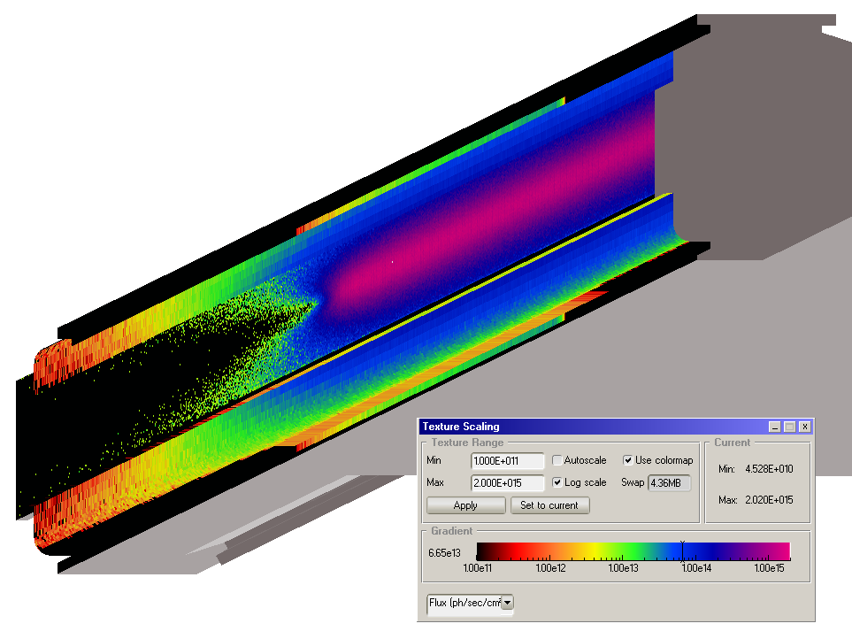
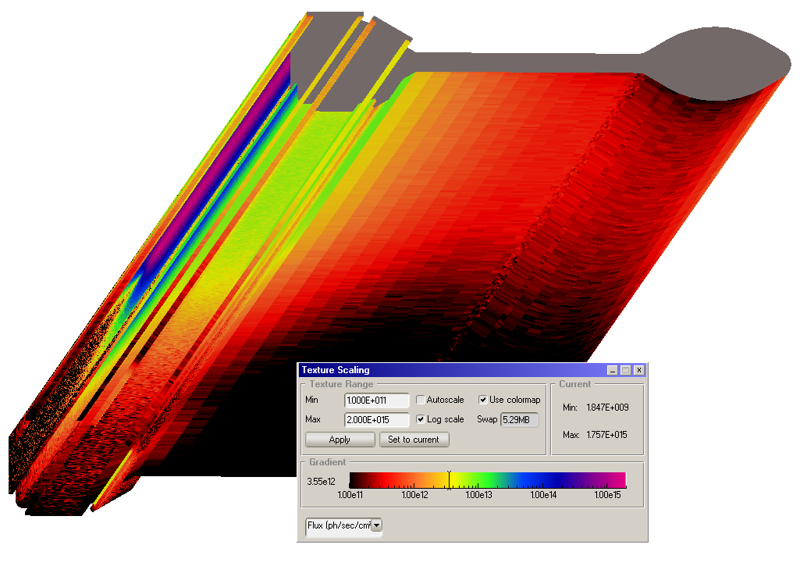
APS aluminum chamber
123.52 | cm | incident length
5.08 | cm | incident height
17619 | cm2 | surface area
2.79E+17 | pho/s | passes through aperture
 |  |  |  | @ 1E7 seconds
No Scat | 2.12E+17 | pho/s | 76% | 9.13E-07 | mbar*L/s |  | incident
 | 6.71E+16 | pho/s | 24% |  |  |  | back wall
 | 2.79E+17 | pho/s |  |  |  |  | sum
0.308 | 1.81E+17 | pho/s | 65% | 1.23E-06 | mbar*L/s | 20% | incident
rough | 7.91E+16 | pho/s | 28% |  |  |  | back wall
 | 1.89E+16 | pho/s | 7% | 4.78E-06 | mbar*L/s | 80% | other walls
 | 2.79E+17 | pho/s |  | 6.01E-06 | mbar*L/s |  | sum
0.01 | 1.01E+17 | pho/s | 36% | 7.83E-07 | mbar*L/s | 32% | incident
smooth | 1.75E+17 | pho/s | 63% |  |  |  | back wall
 | 2.90E+15 | pho/s | 1% | 1.65E-06 | mbar*L/s | 68% | other walls
 | 2.80E+17 | pho/s |  | 2.43E-06 | mbar*L/s |  | sum

60mm round
123.1 | cm | incident length
5.06 | cm | incident height
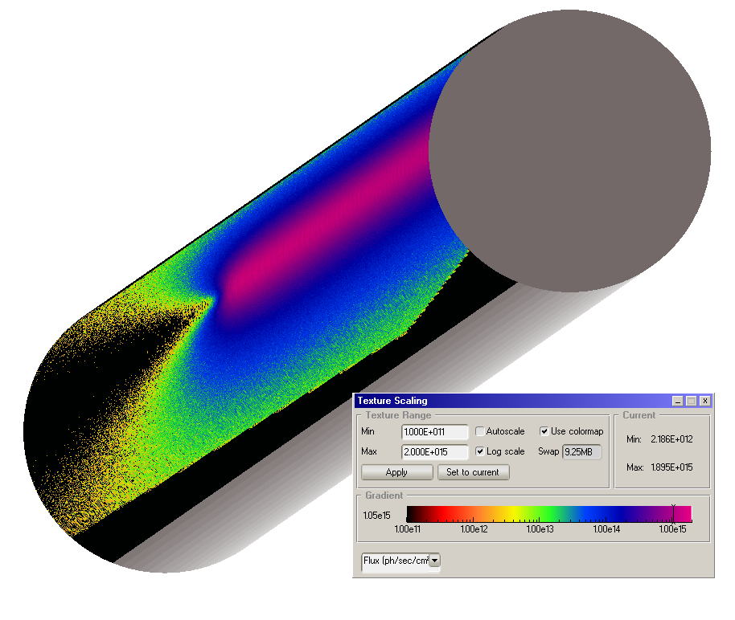
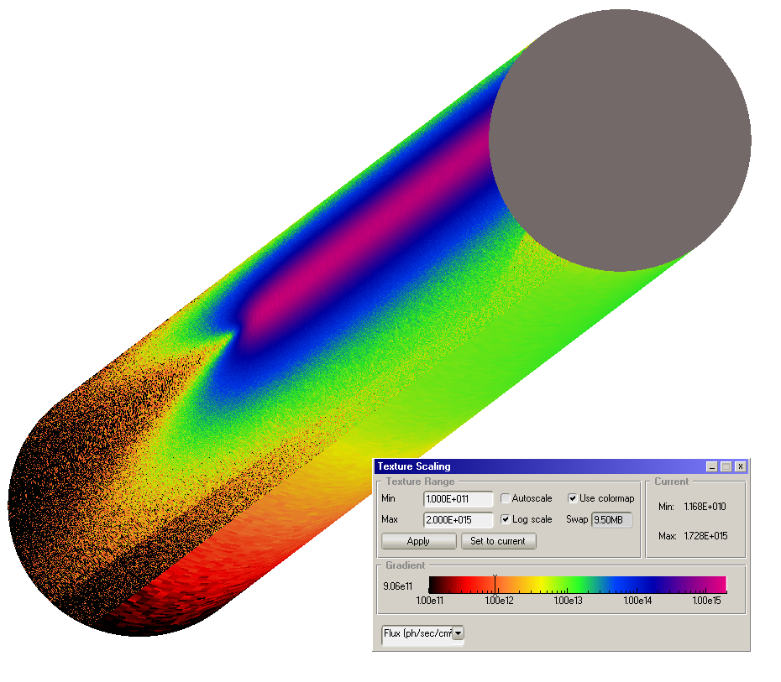
4500 | cm2 | surface area
2.79E+17 | pho/s | passes through aperture
 |  |  |  | @ 1E7 seconds
no scat | 2.16E+17 | pho/s | 77% | 8.82E-07 | mbar*L/s |  | incident
 | 6.31E+16 | pho/s | 23% |  |  |  | back wall
 | 2.79E+17 | pho/s |  |  |  |  | sum
0.308 | 1.85E+17 | pho/s | 66% | 9.43E-07 | mbar*L/s | 40% | incident
rough | 7.55E+16 | pho/s | 27% |  |  |  | back wall
 | 1.87E+16 | pho/s | 7% | 1.39E-06 | mbar*L/s | 60% | other walls
 | 2.79E+17 | pho/s |  | 2.34E-06 | mbar*L/s |  | sum
0.01 | 1.02E+17 | pho/s | 37% | 5.81E-07 | mbar*L/s | 45% | incident
smooth | 1.73E+17 | pho/s | 62% |  |  |  | back wall
 | 4.16E+15 | pho/s | 1% | 7.13E-07 | mbar*L/s | 55% | other walls
 | 2.80E+17 | pho/s |  | 1.29E-06 | mbar*L/s |  | sum

 |  | pressure | 1.00E-08 | mbar
 |  | surf | 3.80E+02 | cm2
 |  | Seff | 1.00E+00 | L/s
 |  | Q | 2.63E-11 | mbar*L/s/cm2

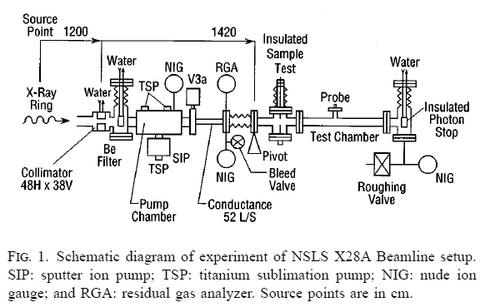
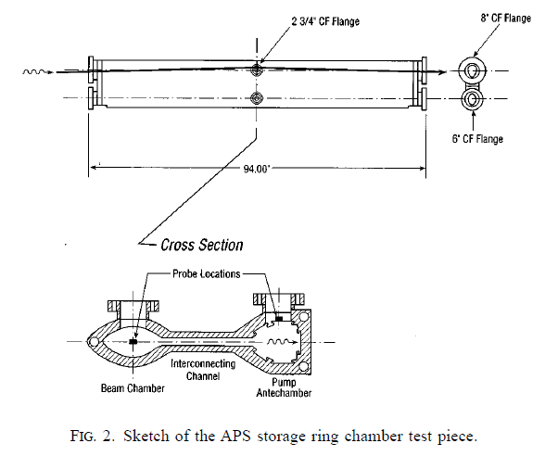

 |  |  |  |  |  |  |  | 2.1052631579E-10

SynRad reflections by roughness
Scattering offset angle vs roughness ratio
0.00E+00 | -1.57E+00 | -1.57E+00 | -1.57E+00
2.00E-02 | -1.58E-01 | -1.37E+00 | -1.59E-02
4.00E-02 | -7.90E-02 | -1.18E+00 | -7.92E-03
6.00E-02 | -5.24E-02 | -1.02E+00 | -5.24E-03
8.00E-02 | -3.89E-02 | -8.76E-01 | -3.89E-03
1.00E-01 | -3.08E-02 | -7.59E-01 | -3.08E-03
1.20E-01 | -2.53E-02 | -6.61E-01 | -2.53E-03
1.40E-01 | -2.12E-02 | -5.80E-01 | -2.13E-03
1.60E-01 | -1.82E-02 | -5.11E-01 | -1.82E-03
1.80E-01 | -1.58E-02 | -4.52E-01 | -1.58E-03
2.00E-01 | -1.38E-02 | -4.01E-01 | -1.38E-03
2.20E-01 | -1.21E-02 | -3.56E-01 | -1.21E-03
2.40E-01 | -1.06E-02 | -3.17E-01 | -1.06E-03
2.60E-01 | -9.39E-03 | -2.82E-01 | -9.39E-04
2.80E-01 | -8.27E-03 | -2.49E-01 | -8.27E-04
3.00E-01 | -7.27E-03 | -2.20E-01 | -7.27E-04
3.20E-01 | -6.35E-03 | -1.93E-01 | -6.35E-04
3.40E-01 | -5.50E-03 | -1.68E-01 | -5.50E-04
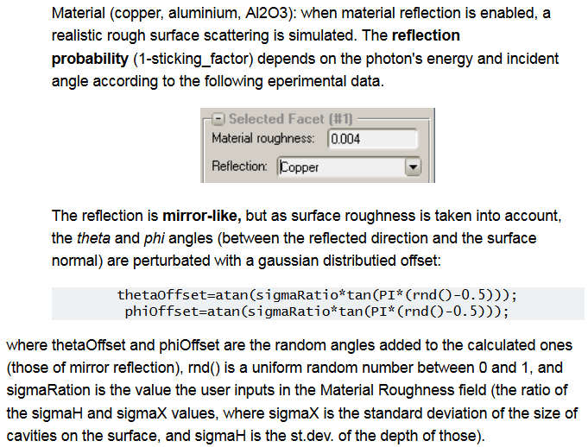
3.60E-01 | -4.71E-03 | -1.44E-01 | -4.71E-04
3.80E-01 | -3.96E-03 | -1.21E-01 | -3.96E-04
4.00E-01 | -3.25E-03 | -9.97E-02 | -3.25E-04
4.20E-01 | -2.57E-03 | -7.89E-02 | -2.57E-04
4.40E-01 | -1.91E-03 | -5.87E-02 | -1.91E-04
4.60E-01 | -1.26E-03 | -3.89E-02 | -1.26E-04
4.80E-01 | -6.29E-04 | -1.94E-02 | -6.29E-05
5.00E-01 | 0.00E+00 | 0.00E+00 | 0.00E+00
5.20E-01 | 6.29E-04 | 1.94E-02 | 6.29E-05
5.40E-01 | 1.26E-03 | 3.89E-02 | 1.26E-04
5.60E-01 | 1.91E-03 | 5.87E-02 | 1.91E-04
5.80E-01 | 2.57E-03 | 7.89E-02 | 2.57E-04
6.00E-01 | 3.25E-03 | 9.97E-02 | 3.25E-04
6.20E-01 | 3.96E-03 | 1.21E-01 | 3.96E-04
6.40E-01 | 4.71E-03 | 1.44E-01 | 4.71E-04
6.60E-01 | 5.50E-03 | 1.68E-01 | 5.50E-04
6.80E-01 | 6.35E-03 | 1.93E-01 | 6.35E-04
7.00E-01 | 7.27E-03 | 2.20E-01 | 7.27E-04
7.20E-01 | 8.27E-03 | 2.49E-01 | 8.27E-04
7.40E-01 | 9.39E-03 | 2.82E-01 | 9.39E-04
7.60E-01 | 1.06E-02 | 3.17E-01 | 1.06E-03
7.80E-01 | 1.21E-02 | 3.56E-01 | 1.21E-03
8.00E-01 | 1.38E-02 | 4.01E-01 | 1.38E-03
8.20E-01 | 1.58E-02 | 4.52E-01 | 1.58E-03
8.40E-01 | 1.82E-02 | 5.11E-01 | 1.82E-03
8.60E-01 | 2.12E-02 | 5.80E-01 | 2.13E-03
8.80E-01 | 2.53E-02 | 6.61E-01 | 2.53E-03
9.00E-01 | 3.08E-02 | 7.59E-01 | 3.08E-03
9.20E-01 | 3.89E-02 | 8.76E-01 | 3.89E-03
9.40E-01 | 5.24E-02 | 1.02E+00 | 5.24E-03
9.60E-01 | 7.90E-02 | 1.18E+00 | 7.92E-03
9.80E-01 | 1.58E-01 | 1.37E+00 | 1.59E-02
1.00E+00 | 1.57E+00 | 1.57E+00 | 1.57E+00

